Instructions
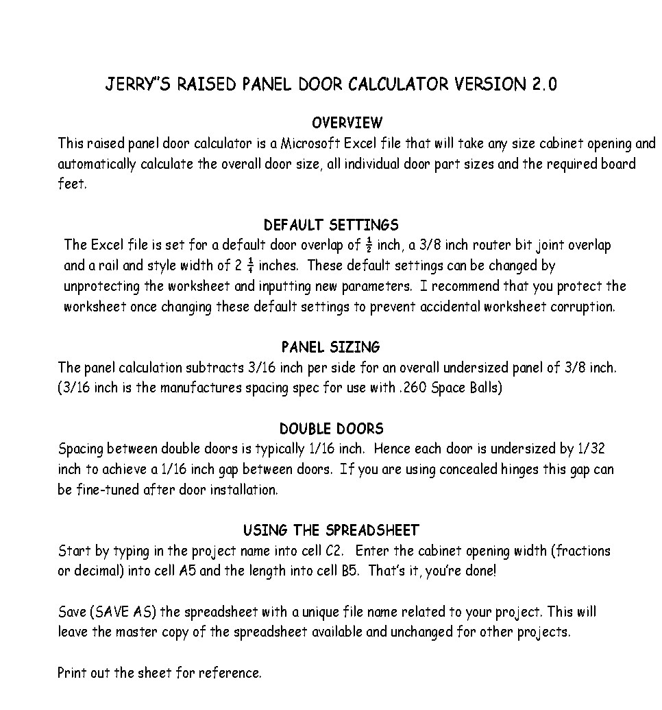

Single Door
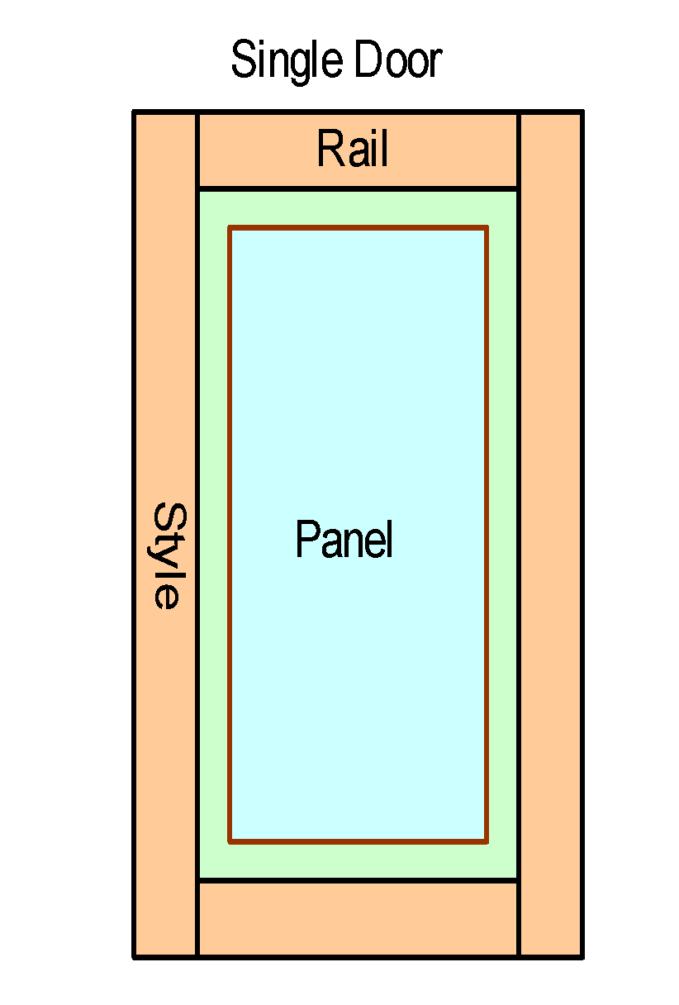
Raised Panel Door Calculator (Single Door)
PROJECT NAME: |  | Upper Stove Wall Caninet Next To Stove

ENTER VALUES |  | LOCKED CELLS
Cabinet Opening Width | Cabinet Opening Length | Horz Door Overlap | Vert Door Overlap | Style/Rail Width | Router Joint Overlap
7 | 36.5 | 0.5 | 0.5 | 2.25 | 0.5

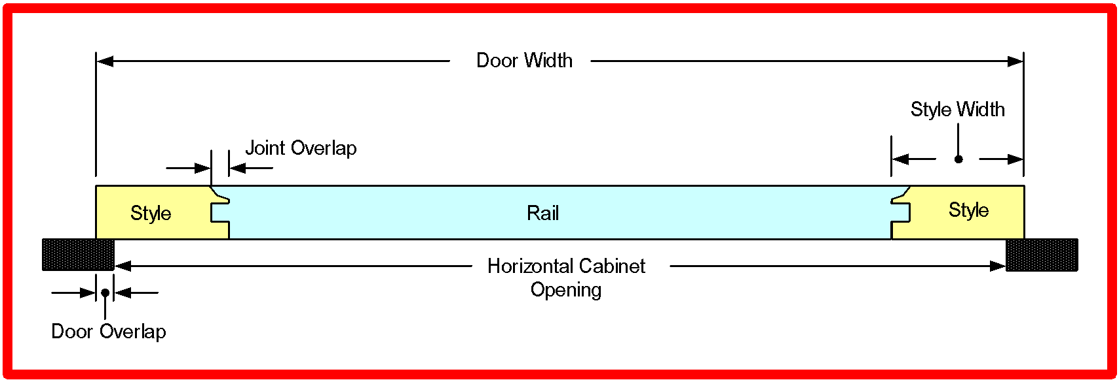

 |  |  |  |  |  | Overall Door Length | 37.5
 |  |  |  |  |  | Overall Door Width | 8
 |  |  |  |  |  | Rail Length | 4.5
 |  |  |  |  |  | Style Length | 37.5
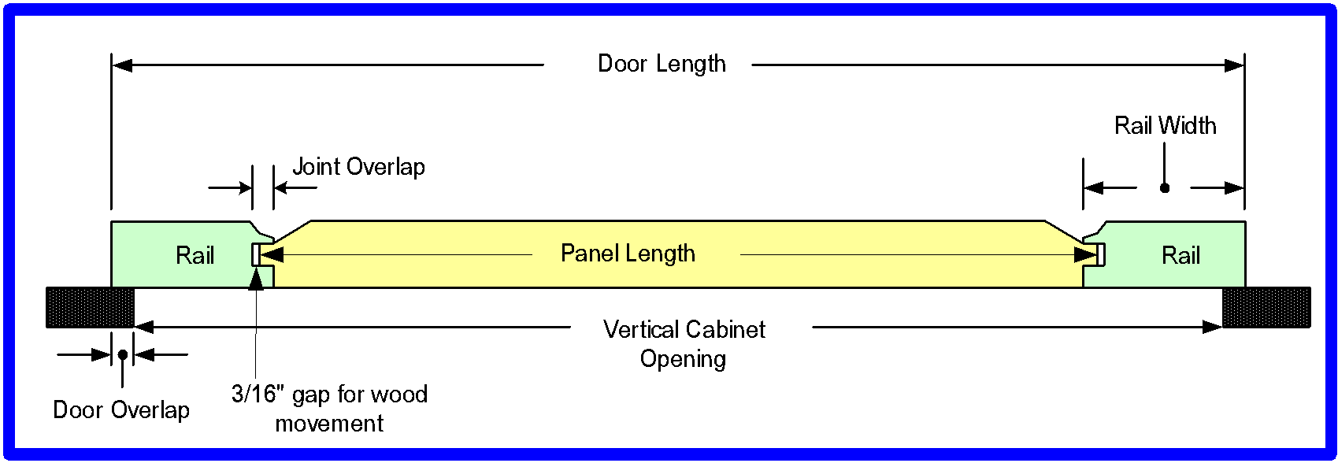
 |  |  |  |  |  | Panel Length | 33.625
 |  |  |  |  |  | Panel Width | 4.125
 |  |  |  |  |  | Board Feet | 2.28

Double Panel
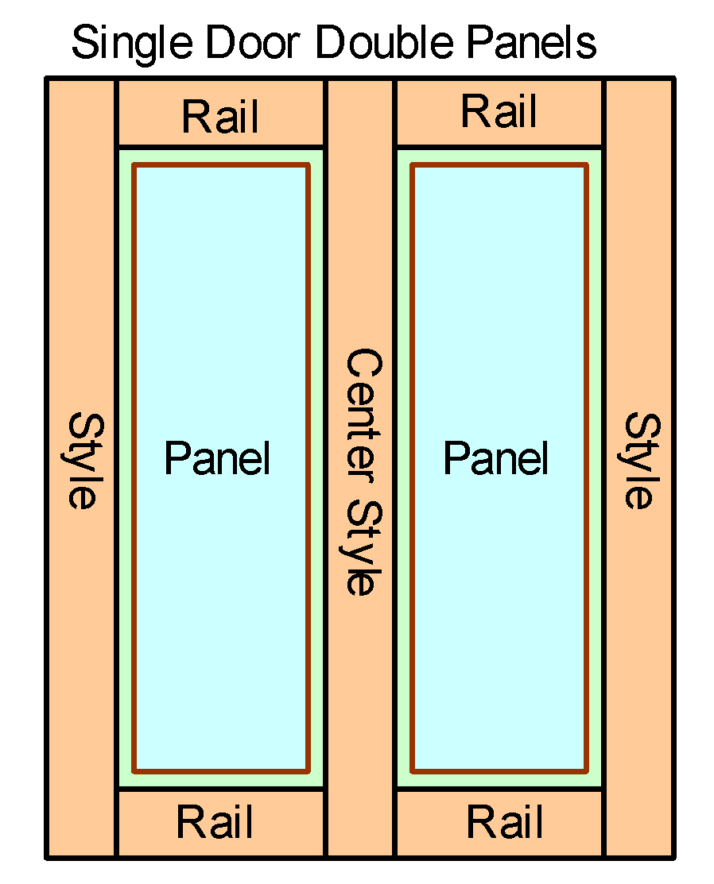
Raised Panel Door Calculator (Single Door-Double Panels)
PROJECT NAME: |  | My Cabinet Door

ENTER VALUES |  | LOCKED CELLS
Cabinet Opening Width | Cabinet Opening Length | Horz Door Overlap | Vert Door Overlap | Style/Rail Width | Joint Overlap
14 | 18.25 | 0.5 | 0.5 | 2.25 | 0.375

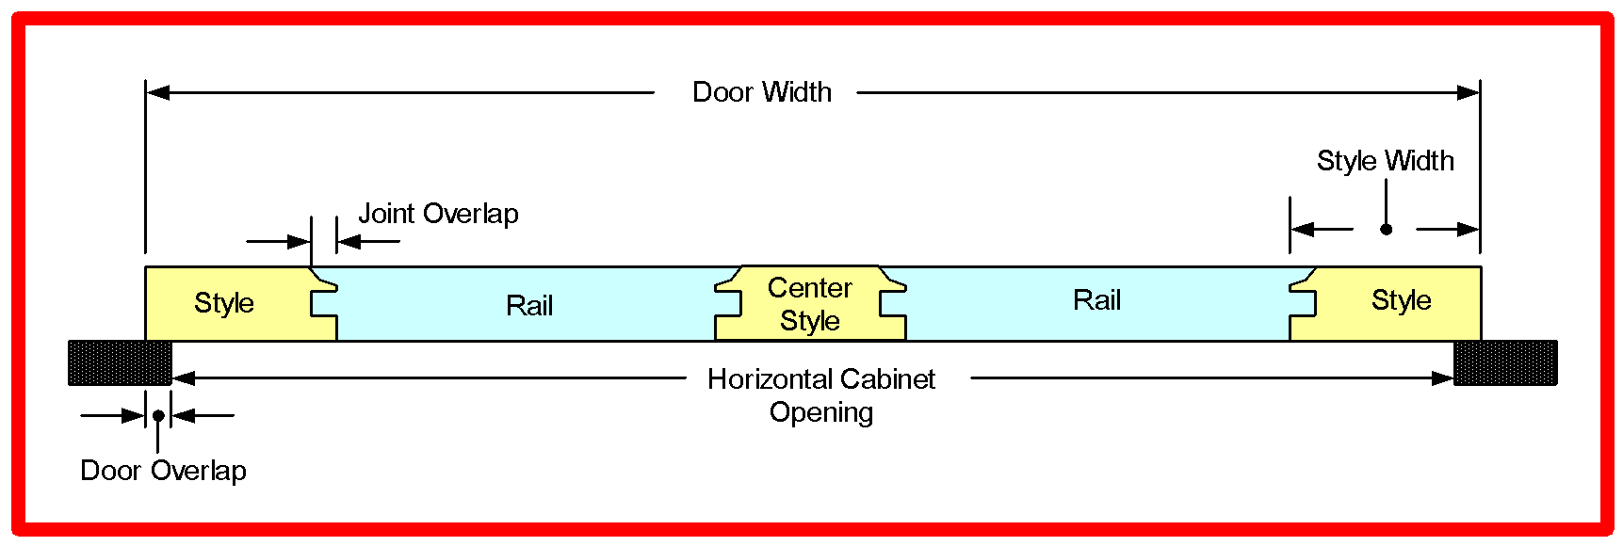

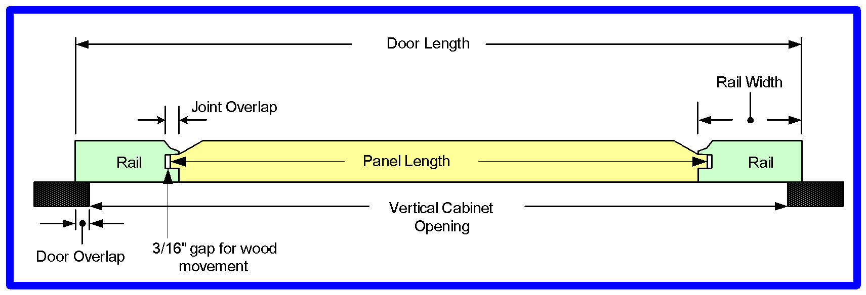
 |  |  |  |  |  | Overall Door Length | 19.25
 |  |  |  |  |  | Overall Door Width | 15
 |  |  |  |  |  | Rail Length | 4.875
 |  |  |  |  |  | Style Length | 19.25
 |  |  |  |  |  | Panel Length | 15.125
 |  |  |  |  |  | Panel Width | 4.5
 |  |  |  |  |  | Board Feet | 2.15

Double Doors
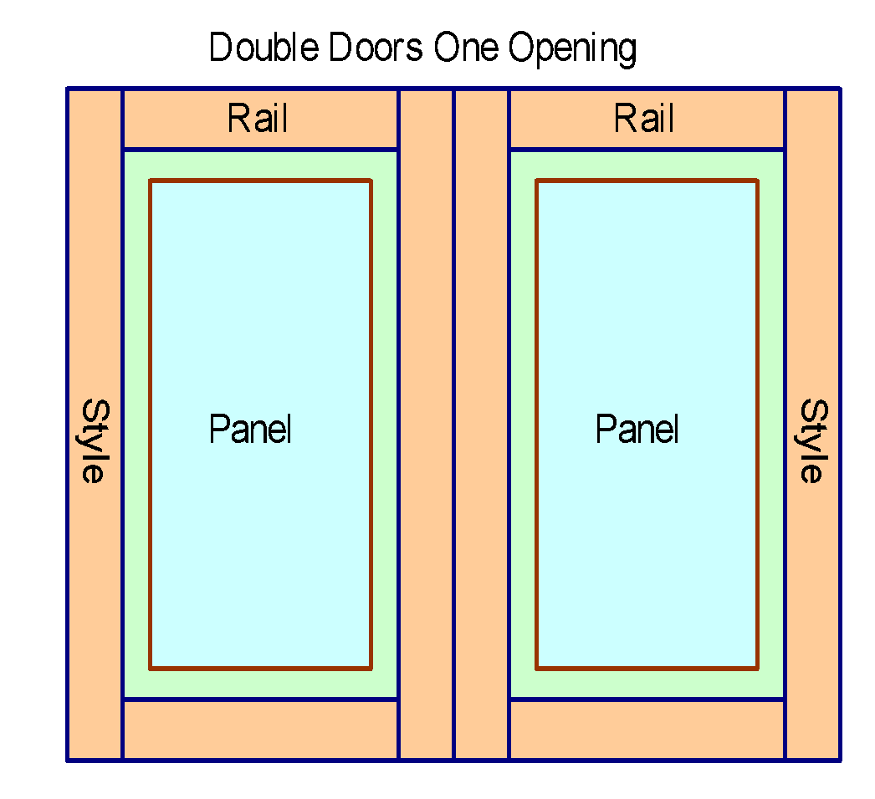
Raised Panel Door Calculator (Double Doors-Single Opening)
PROJECT NAME: |  | My Cabinet Door

ENTER VALUES |  | LOCKED CELLS
Cabinet Opening Width | Cabinet Opening Length | Horz Door Overlap | Vert Door Overlap | Style/Rail Width | Joint Overlap
7 | 36.5 | 0.5 | 0.5 | 2.25 | 0.5

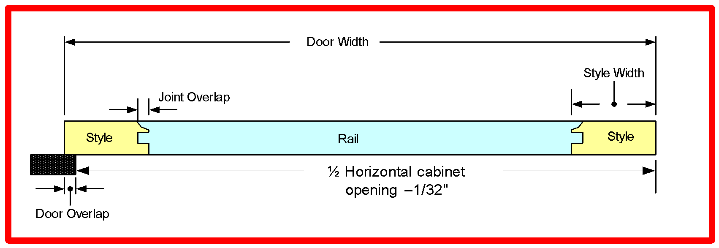

 |  |  |  |  |  | Overall Door Length | 37.5
 |  |  |  |  |  | Overall Door Width | 3.96875
 |  |  |  |  |  | Rail Length | 0.46875
 |  |  |  |  |  | Style Length | 37.5
 |  |  |  |  |  | Panel Length | 33.625
 |  |  |  |  |  | Panel Width | 0.09375
 |  |  |  |  |  | Board Feet | 2.42

